Screenshots
Defect ID | Client Side ID | Severity | Screenshot 1 | Screenshot 2 | Screenshot 3 | Screenshot 4 | Screenshot 5
DE0003 | [Client Side ID] | P0 | 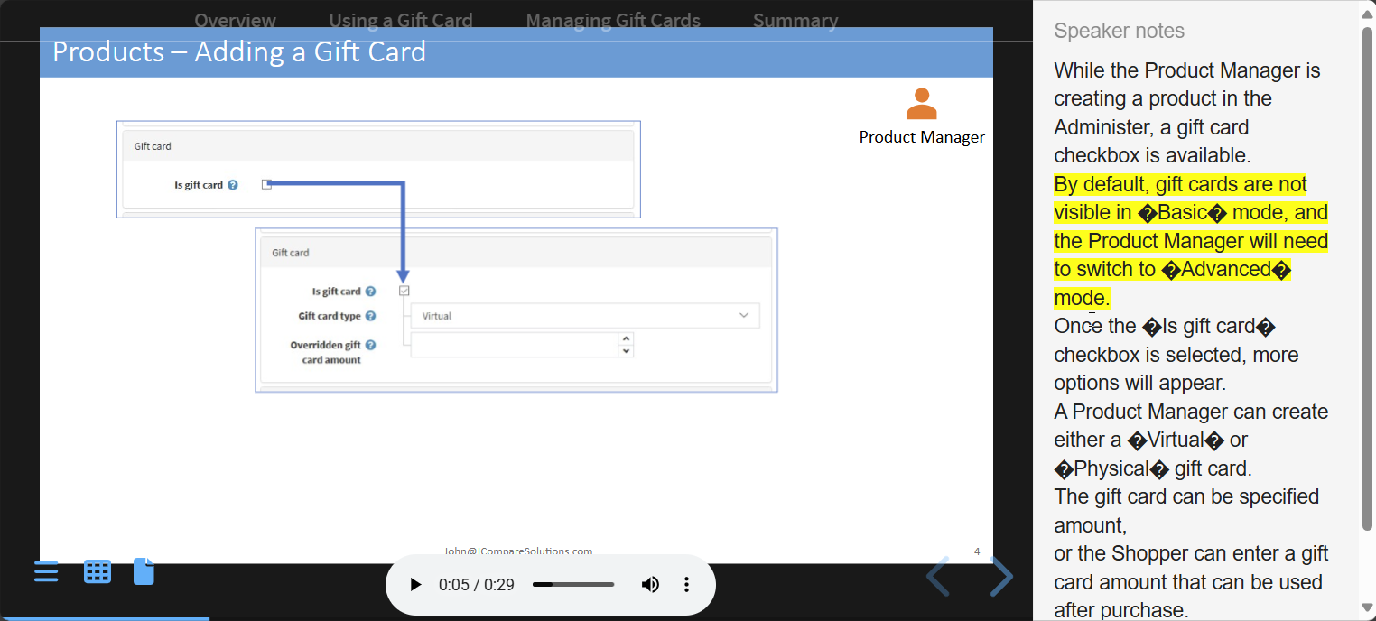 | Screenshots to the left | Screenshots to the left | Screenshots to the left | Screenshots to the left
DE0002 | [Client Side ID] | P3 | 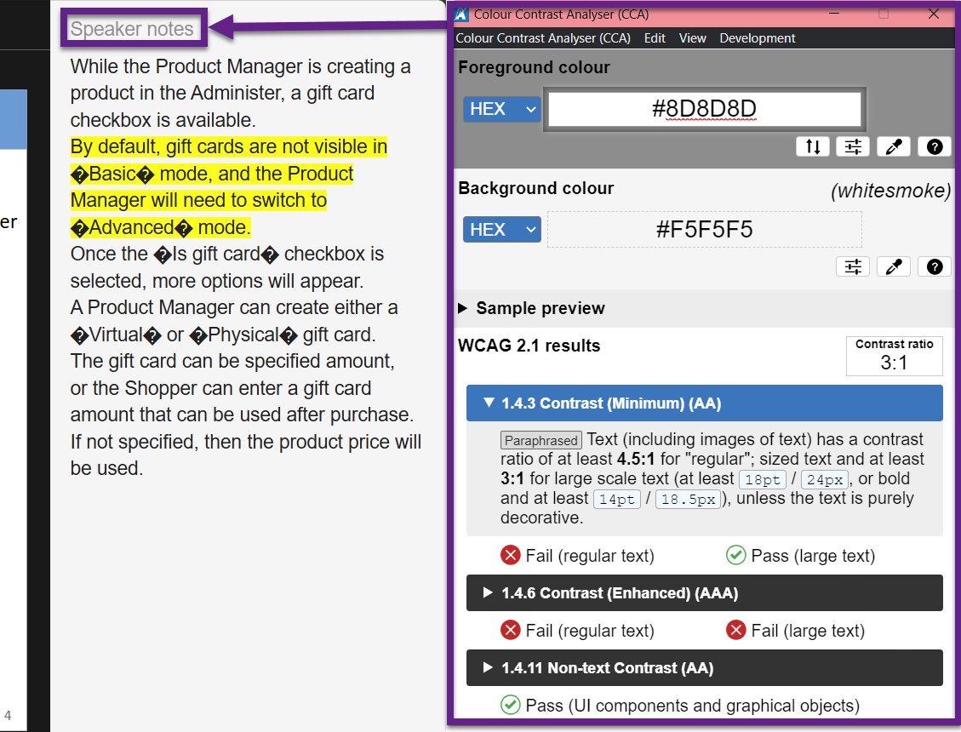 | 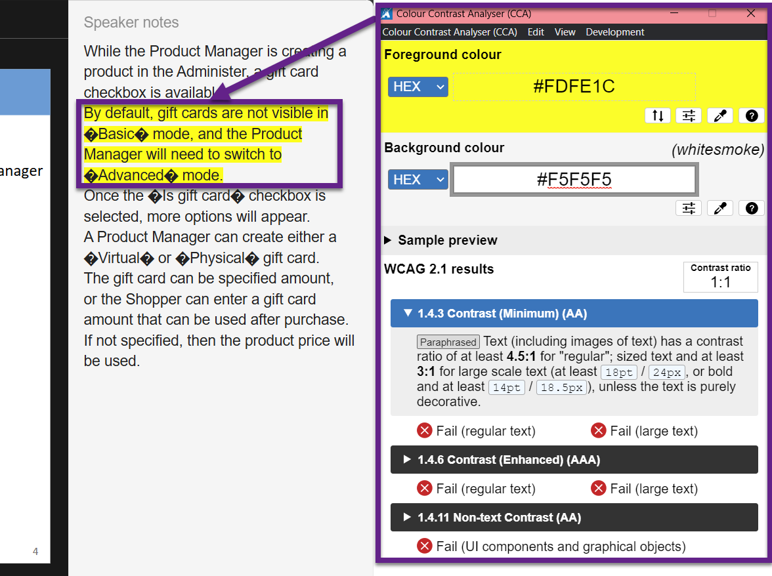 | 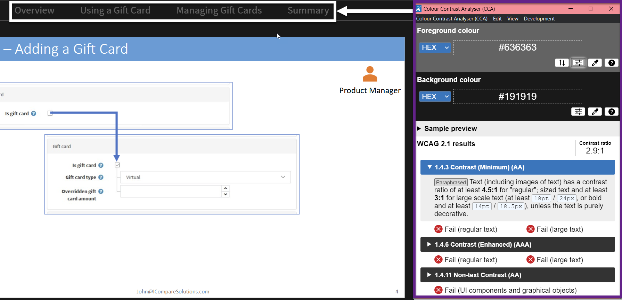 | Screenshots to the left | Screenshots to the left
DE0004 | [Client Side ID] | P0 | 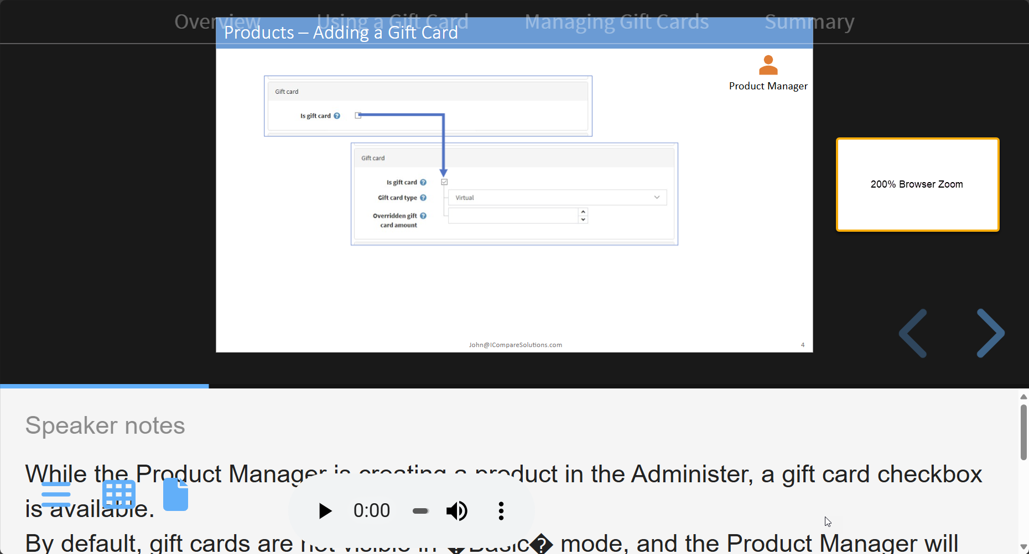 | Screenshots to the left | Screenshots to the left | Screenshots to the left | Screenshots to the left
DE0011 | [Client Side ID] | P3 | 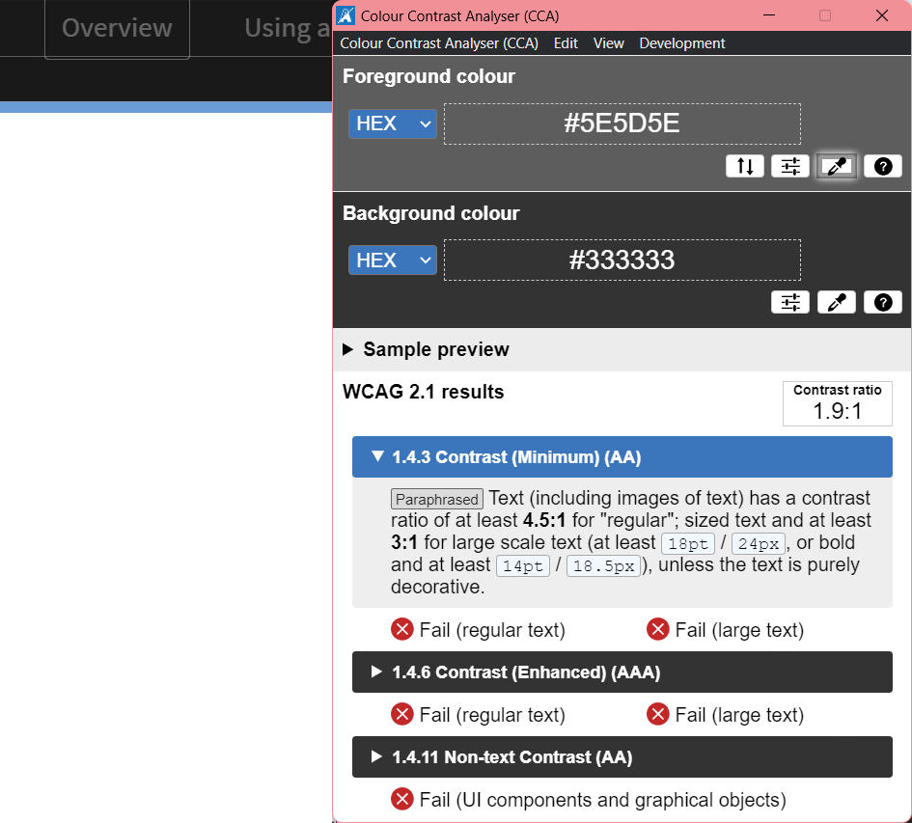 | 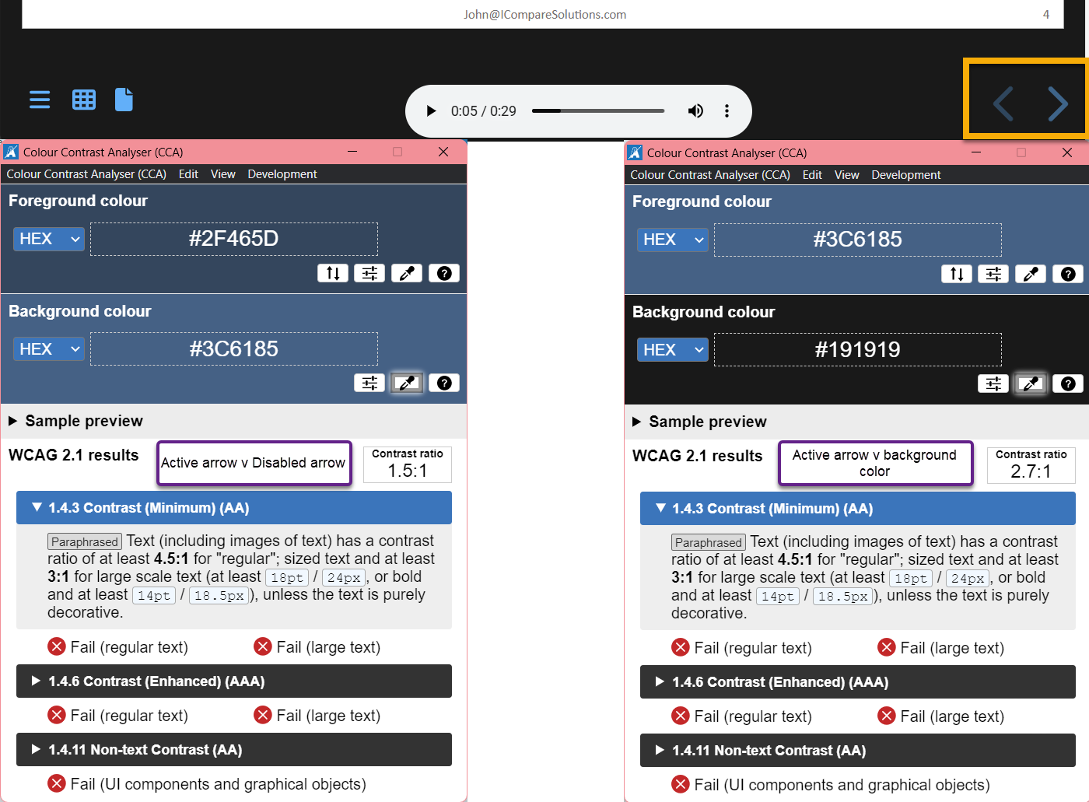 | 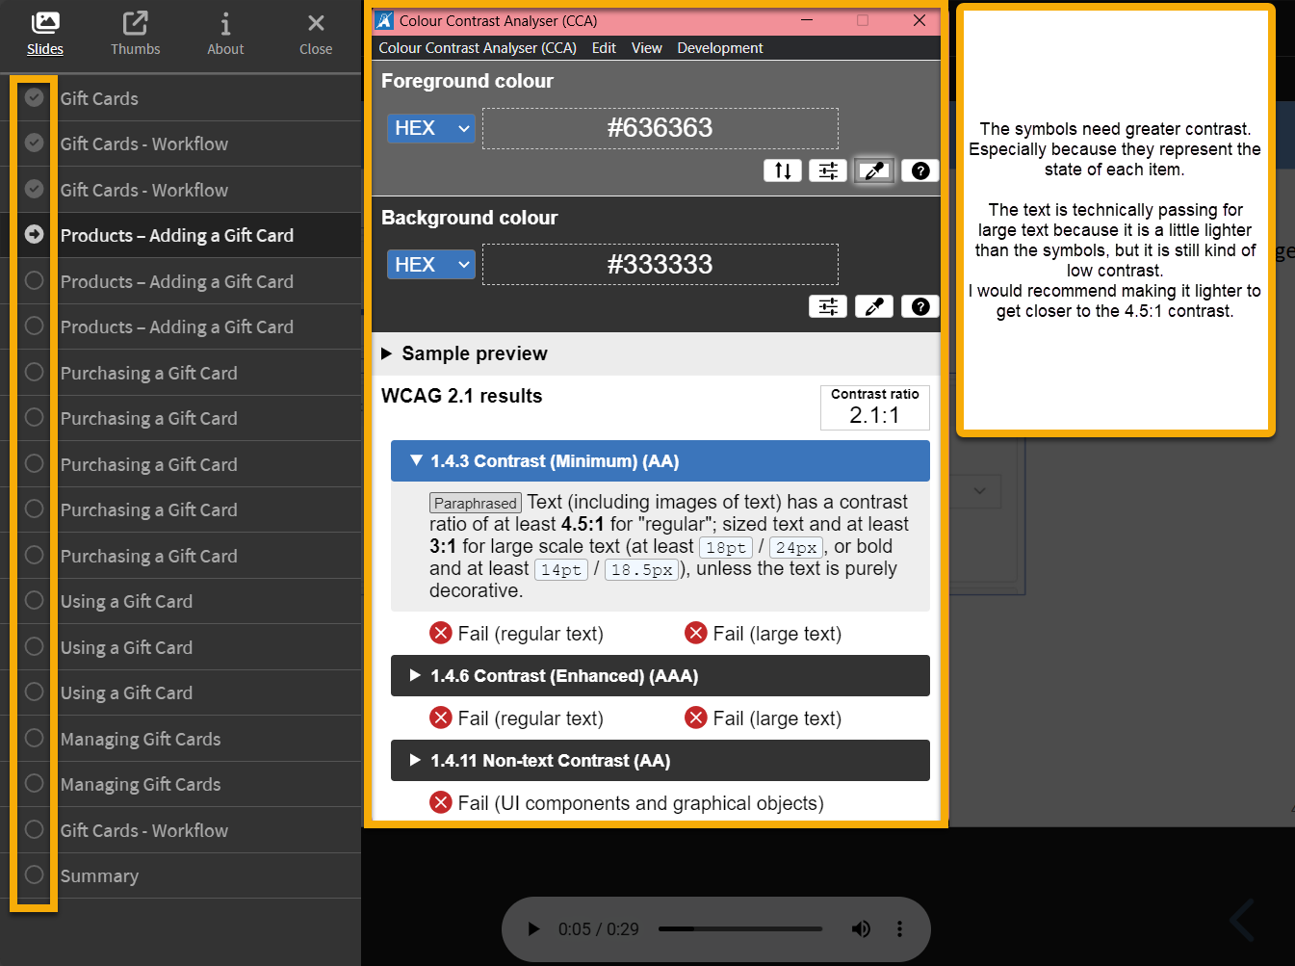 | Screenshots to the left | Screenshots to the left
DE0013 | [Client Side ID] | P0 | 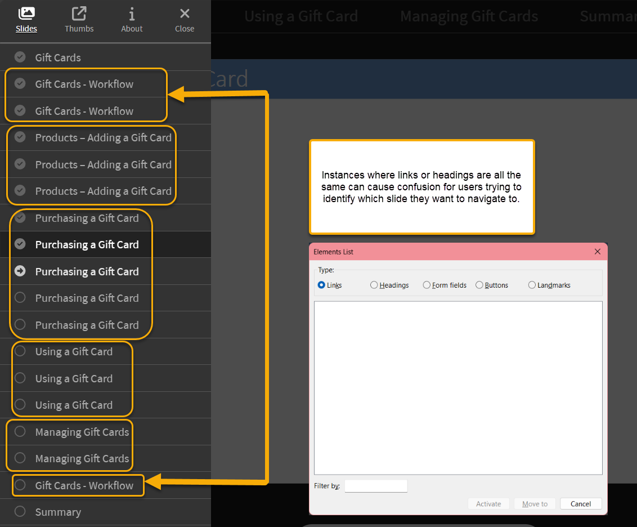 | Screenshots to the left | Screenshots to the left | Screenshots to the left | Screenshots to the left
DE0009 | [Client Side ID] | P0 |  | Screenshots to the left | Screenshots to the left | Screenshots to the left | Screenshots to the left
 | [Client Side ID] |  |  | Screenshots to the left | Screenshots to the left | Screenshots to the left | Screenshots to the left

